Sheet1
Completion of Training Date Calculator

Surname:
Forename:
Specialty: | Emergency Medicine
GMC No: |  |  |  | Date completed:

Key principles to remember
Before 1 August 2025 → Use contractual WTE
From 1 August 2025 → Use average hours worked (block system)
Only the meaning of the percentage field changes from 1 August 2025
Calculations should be confirmed with your Deanery at ARCP
If you are unsure which percentage to enter, please review the block table above and confirm your average weekly hours before submitting your calculation.
Completed Posts:
Grade | Start date | End date | WTE % | Approved training? | Calendar months | WTE months | Notes
 |  |  |  |  | 0.00 | 0.00
 |  |  |  |  | 0.00 | 0.00
 |  |  |  |  | 0.00 | 0.00
 |  |  |  |  | 0.00 | 0.00
 |  |  |  |  | 0.00 | 0.00
 |  |  |  |  | 0.00 | 0.00
 |  |  |  |  | 0.00 | 0.00
 |  |  |  |  | 0.00 | 0.00
 |  |  |  |  | 0.00 | 0.00
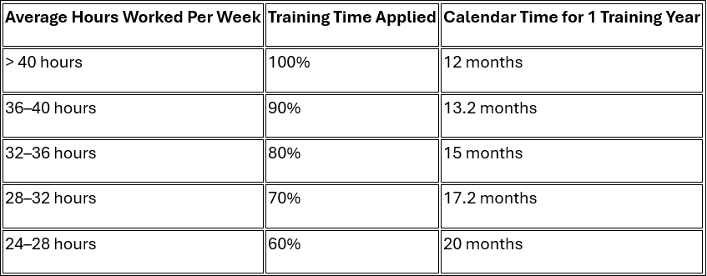
 |  |  |  |  | 0.00 | 0.00
 |  |  |  |  | 0.00 | 0.00
 |  |  |  |  | 0.00 | 0.00
 |  |  |  |  | Total: | 0.00

Length of programme (months): |  |  | 72.0 |  | Months completed: | 0.00
Additional training time (months): |  |  |  |  | Months remaining: | 72.00

 |  | Start date of next post: |  | Projected completion date:
 |  | Training Time % of Next Working Post |  |  |  |  | 0

